TestSummary
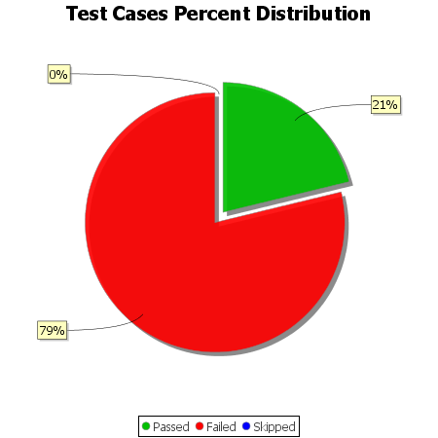
Total Test Cases | 33
Test Cases Passed | 7
Test Cases Failed | 26
Test Cases Skipped | 0

